PharmaCompass Welcome
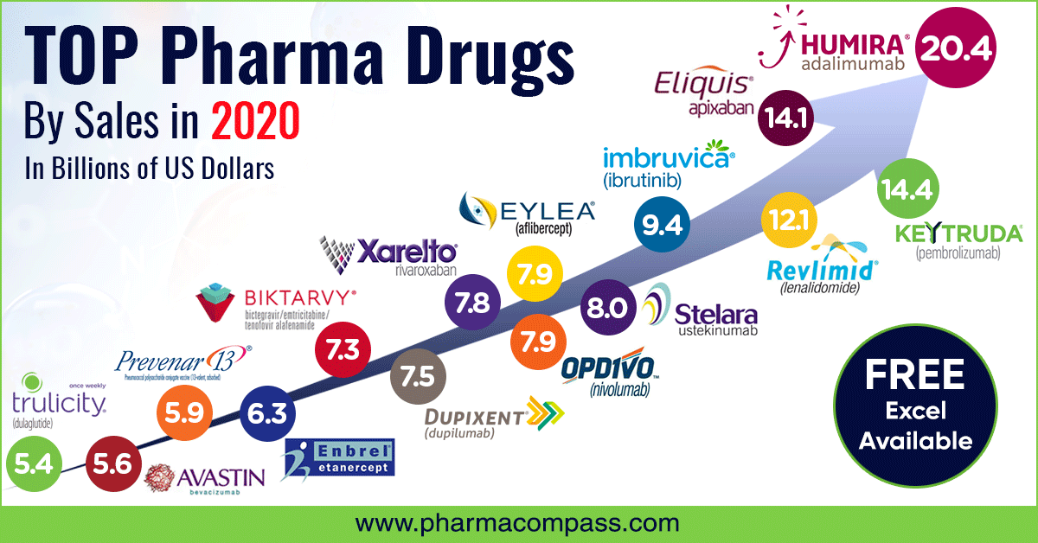

Your one stop website for:

Growing Sales & Building Brands
Saving Costs to Gain Time
Developing Drugs Faster
Staying Informed to Stay Ahead

Learn More by Contacting us:

support@pharmacompass.com
+91(0)98.994.680.20

